Data
D7@Layout

 | ft

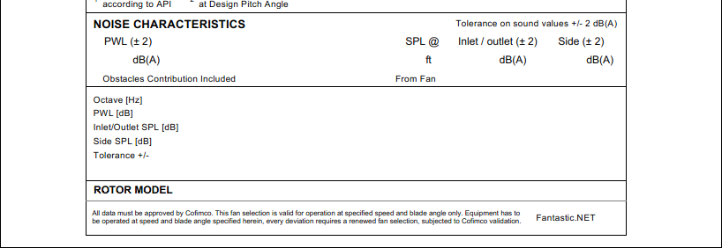

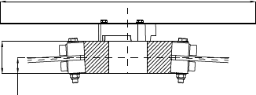
 | (if no disk, leave blank)
 |  |  | Pitch | 0° | 0°
 |  |  | Angle
 |  |  | AR
 |  |  | BR
 |  |  | AT
 |  |  | BT

 |  | ✶ | Minimum Gap: |  |  | mm | ≤

